top 10 countries
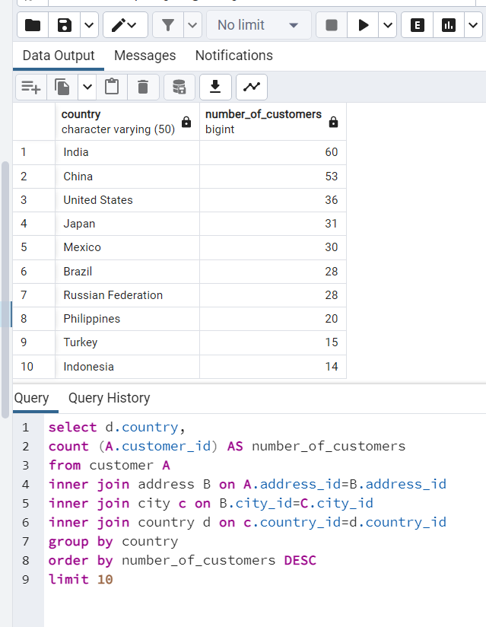
nation | number_of_customers
India | 60
China | 53
United States | 36
Japan | 31
Mexico | 30
Brazil | 28
Russian Federation | 28
Philippines | 20
Turkey | 15
Indonesia | 14

Top 10 cities within top 10
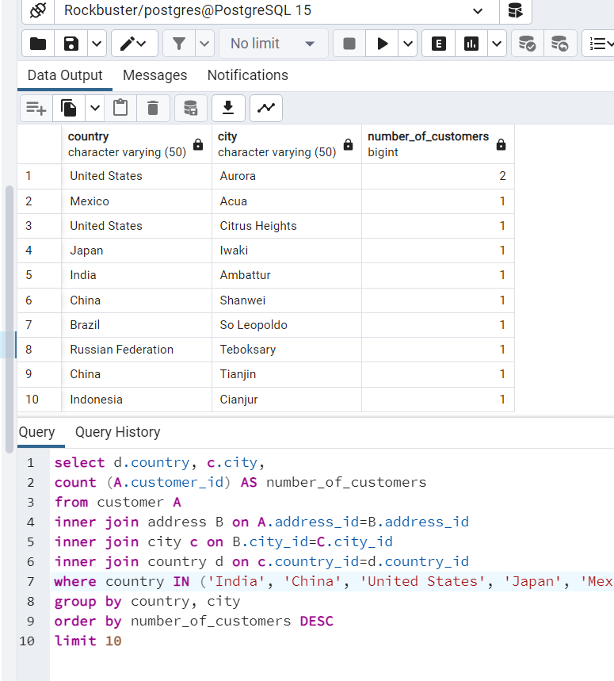

Top customers
country | city | customer_id | total_amount_paid | customer_first_name | customer_last_name
India | Ambattur | 225 | 111.76 | Arlene | Harvey
China | Shanwei | 424 | 109.71 | Kyle | Spurlock
Japan | Iwaki | 240 | 106.77 | Marlene | Welch
Mexico | Acua | 486 | 100.77 | Glen | Talbert
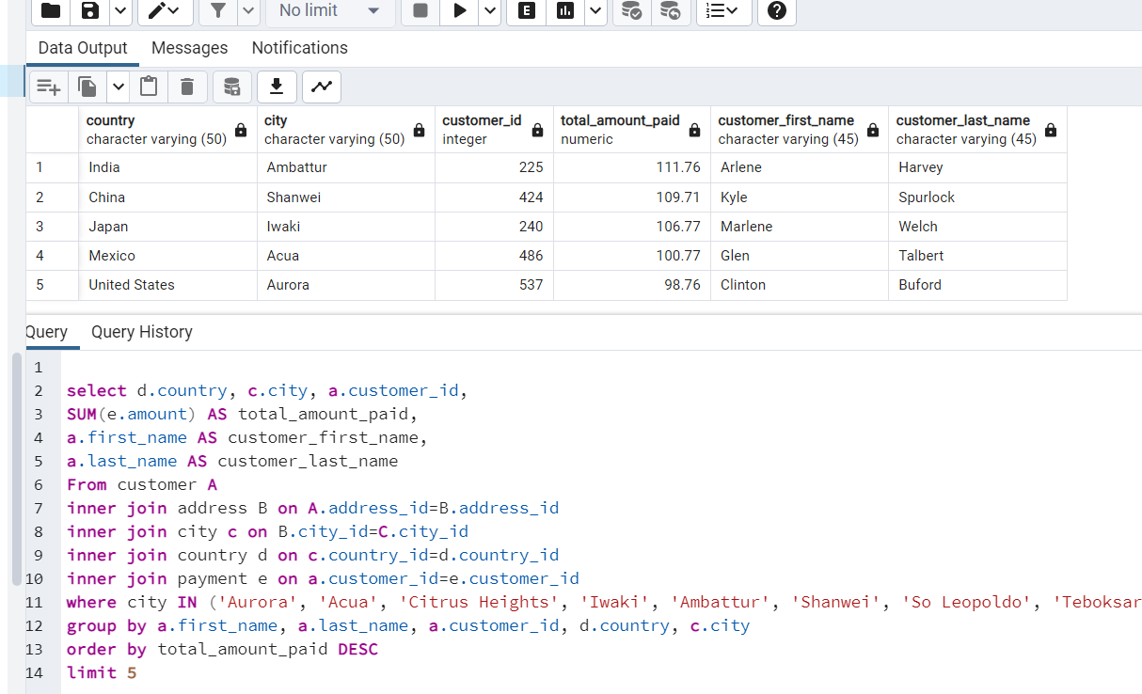
United States | Aurora | 537 | 98.76 | Clinton | Buford

Desc Stats
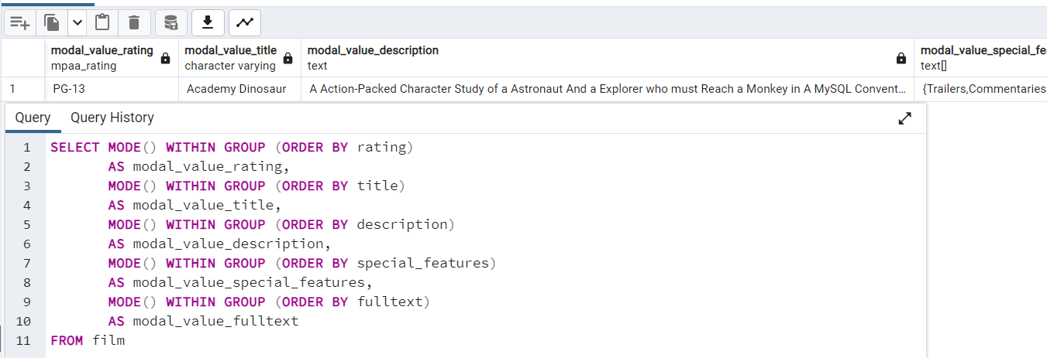
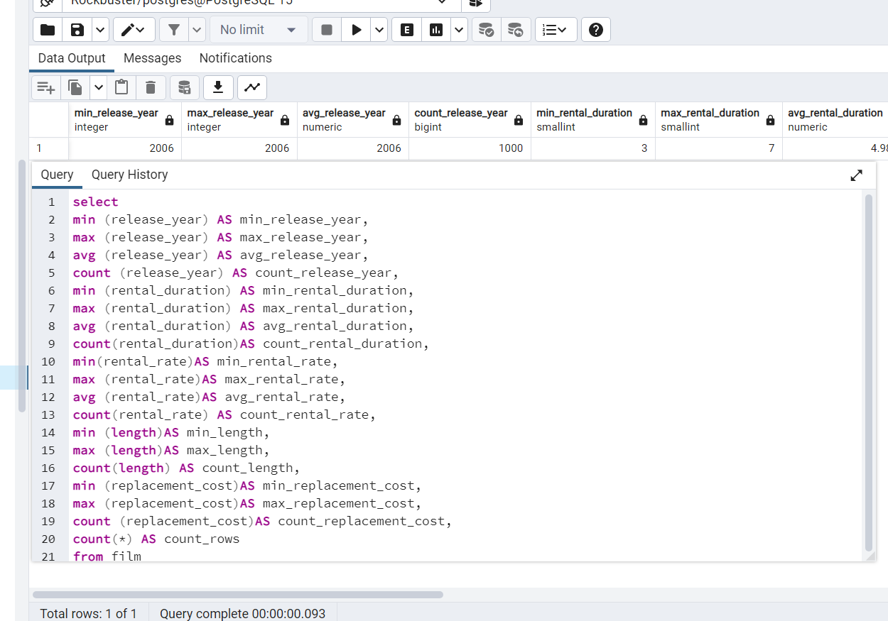
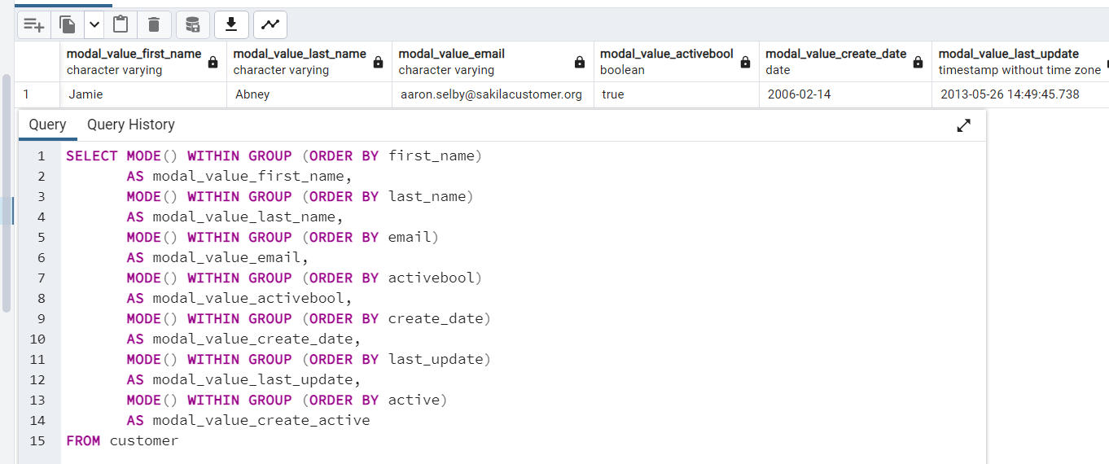
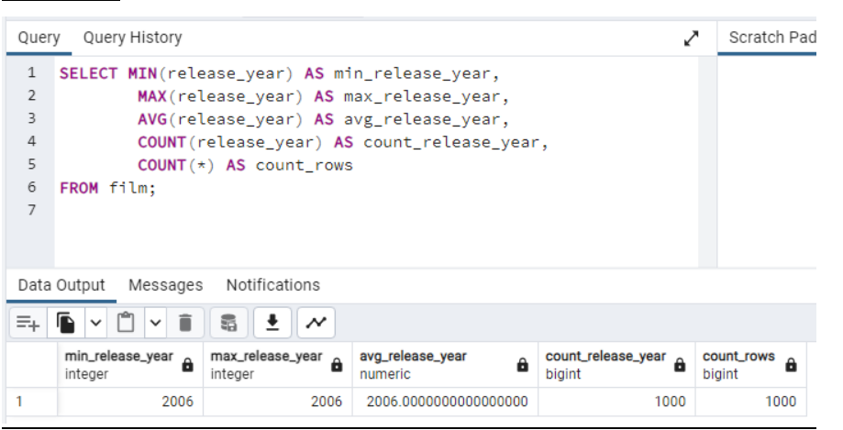
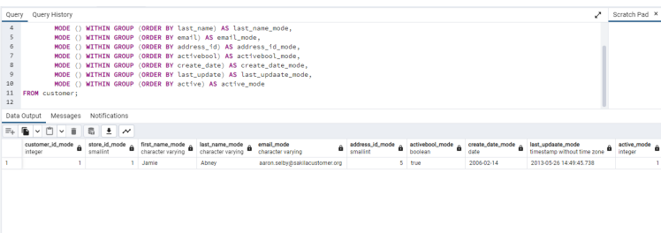
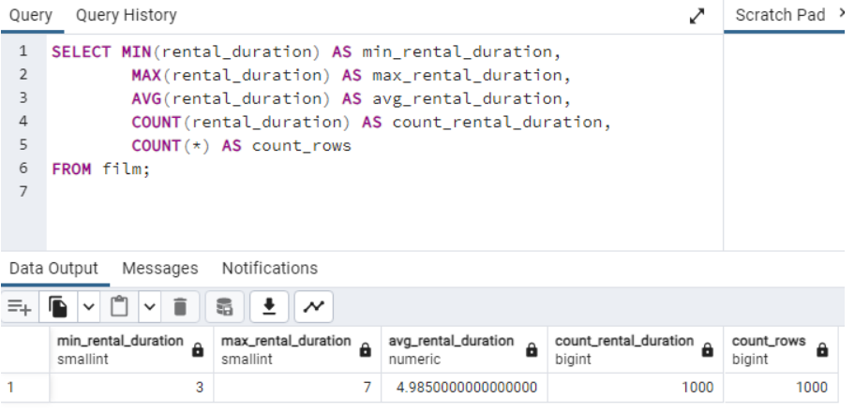
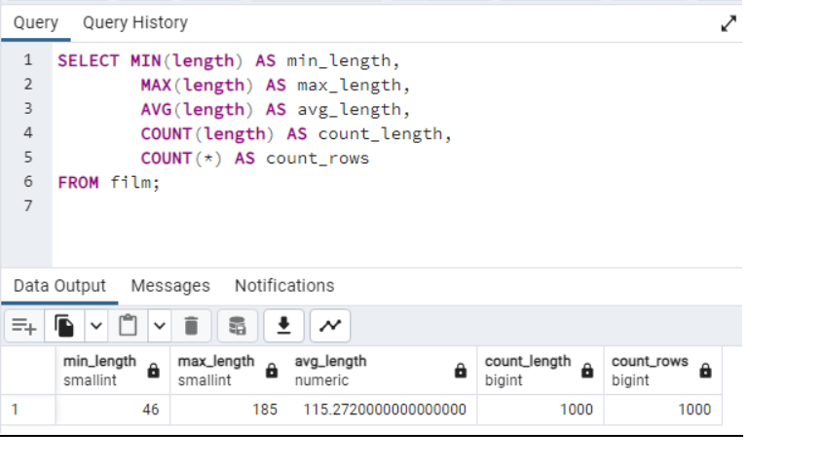
min_release_year | max_release_year | avg_release_year | count_release_year | min_rental_duration | max_rental_duration | avg_rental_duration | count_rental_duration | min_rental_rate | max_rental_rate | avg_rental_rate | count_rental_rate | min_length | max_length | count_length | min_replacement_cost | max_replacement_cost | count_replacement_cost | count_rows
2006 | 2006 | 2006 | 1000 | 3 | 7 | 4.985 | 1000 | 0.99 | 4.99 | 2.98 | 1000 | 46 | 185 | 1000 | 9.99 | 29.99 | 1000 | 1000

modal_value_rating | modal_value_title | modal_value_description | modal_value_special_features | modal_value_fulltext
PG-13 | Academy Dinosaur | A Action-Packed Character Study of a Astronaut And a Explorer who must Reach a Monkey in A MySQL Convention | {Trailers,Commentaries,"Behind the Scenes"} | 'baloon':19 'confront':14 'documentari':5 'feminist':8,11,16 'mile':2 'must':13 'spi':1 'thrill':4

